Reinsurance vs Insurance
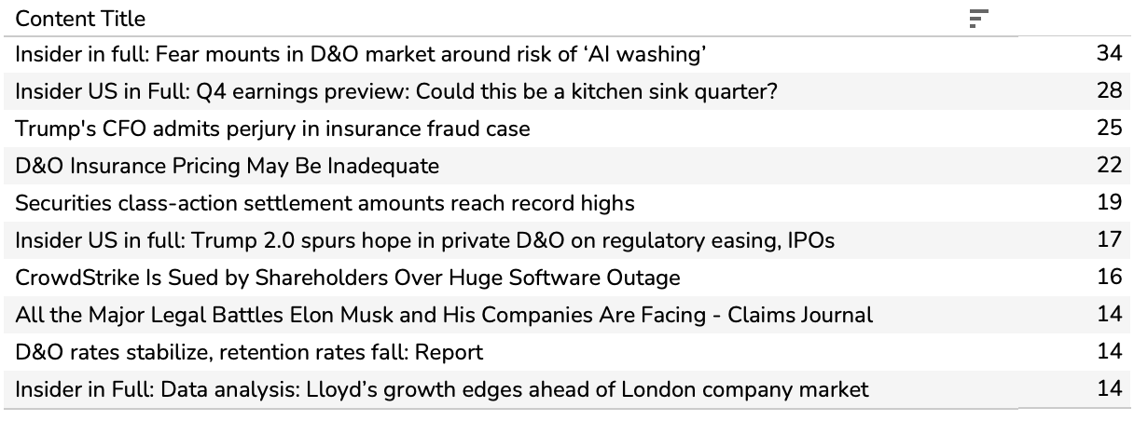
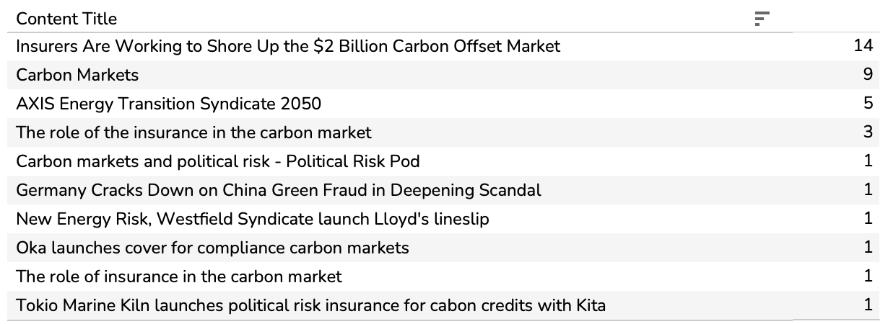
Topics insurance brokers read more of than reinsurance brokers
1 | Life Sciences | 431% | 1 | 2 | 5
2 | Charity & Sponsorship | 351% | 3 | 4
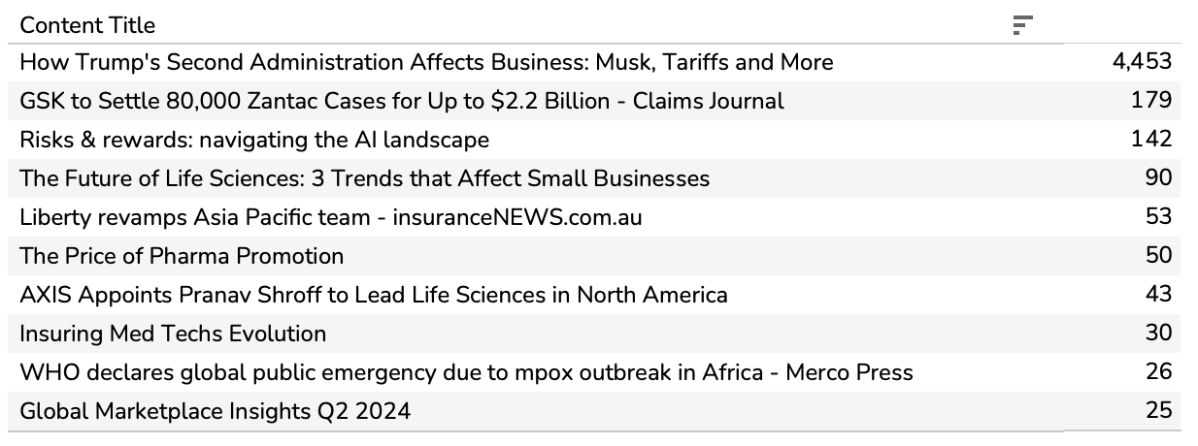
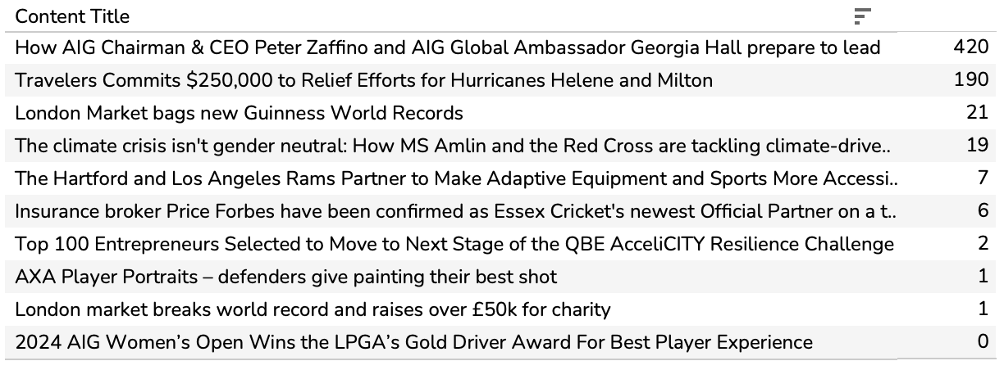
3 | Product Recall | 211% |  |  |  | top content around reinsurance renewals | look at formats, hopefully mostly whitepapers/reports |  | top topics around reinsurance renewals
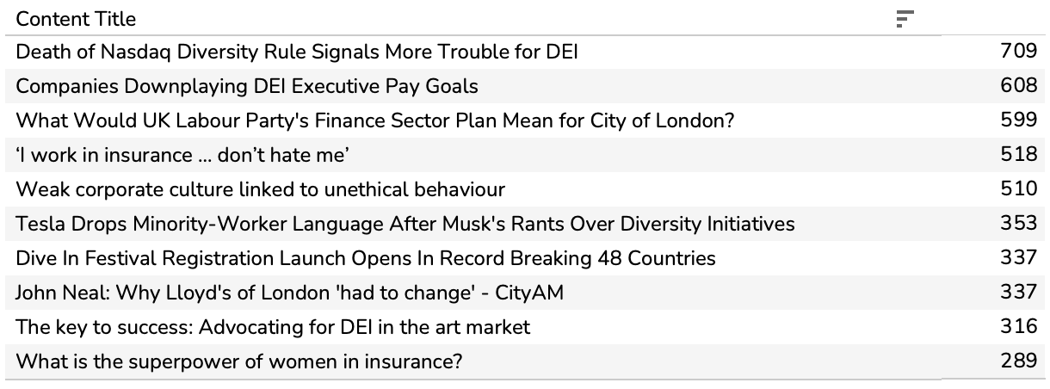
4 | Diversity & Inclusion | 203%
5 | ESG Risk | 196% |  |  |  | Content Title | Publish Date | Rank | Top 10 topics within reinsurance renewals in Nov-Jan
6 | Kidnap & Ransom | 129% |  |  |  | AIG Leads Launch of Syndicate 2478 at Lloyd's Through Multi-Year Blackstone Strategic Relationship | 2024-12-15 | 1 | Rates
7 | Engineering | 103% |  |  |  | Strong reinsurer appetite drives excess property catastrophe capacity at January 1 | 2024-12-30 | 2 | Property - North America
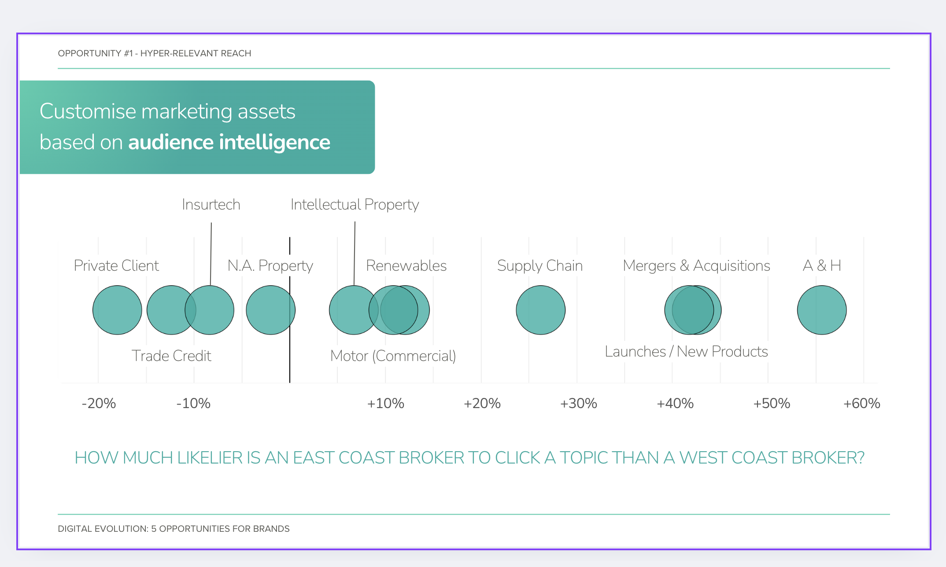
8 | Market Moves | 102% |  |  |  | Reinsurers in Growth Mode Brought Capacity, Flexibility to 1/1/ Renewals | 2025-01-08 | 3 | Claims & Losses
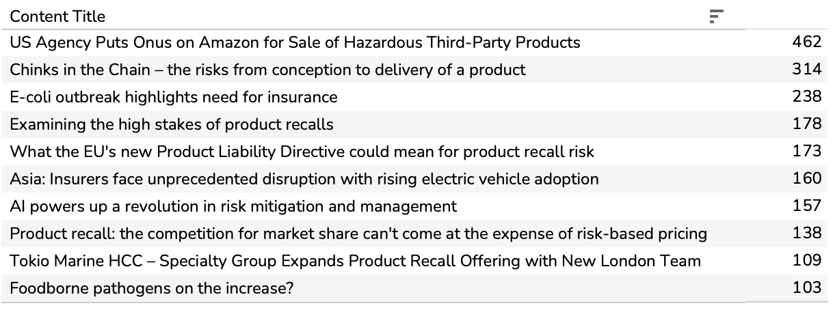
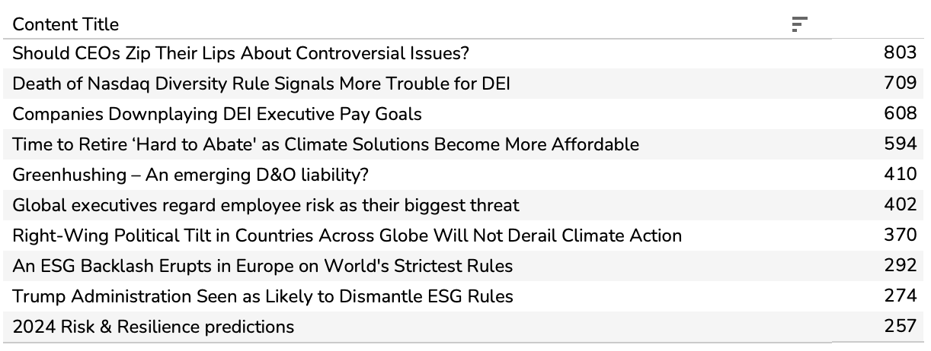
9 | Law | 87% |  |  |  | Commercial rate hikes largely hold steady in third quarter: CIAB | 2024-11-20 | 4 | Casualty
10 | Future of Work | 77% |  |  |  | Bermuda reinsurers set to absorb California wildfire losses | 2025-01-22 | 5 | Property - International
11 | Directors & Officers | 72% |  |  |  | Insurer in Full: Capacity supply outweighed looming large losses in marine XoL renewals | 2025-01-15 | 6 | Cyber
 |  |  |  |  |  | Gallagher Re 1st View: Differentiation Rewarded | 2025-01-02 | 7 | Marine Liability
 |  |  |  |  |  | Emerging risks ahead of the 1/1 reinsurance renewals period | 2024-11-19 | 8 | Launches / New Products
 |  |  |  |  |  | Insider US in Full: Reinsurers drive 1.1 rates down as they grab for well-rated US cat | 2024-12-16 | 9 | Alternative Capital
 |  |  |  |  |  | Casualty rates continue to climb as concerns about court awards remain | 2025-01-14 | 10 | Aerospace
 |  |  |  |  |  | Reinsurance Market Dynamics January 2025 Renewal | 2025-01-07 | 11
 |  |  |  |  |  | 1st View: Commentary by Lines of Business | 2025-01-02 | 12
 |  |  |  |  |  | Insider US in full: US casualty treaty 1.1 renewals ‘much less challenging’ than expected | 2024-12-23 | 13
 |  |  |  |  |  | Insider in Full: Cyber market looks to grow in 2025, but high expectations may not be met | 2024-11-25 | 14 | compare views around the renewal vs actual news
 |  |  |  |  |  | January 1, 2025 Renewal Resource Center | 2025-01-06 | 15
 |  |  |  |  |  | Insider in Full: New capacity ramps up concerns of steeper softening in cargo | 2024-11-11 | 16 | % of items in top X that are whitepapers/reports around renewals vs other times
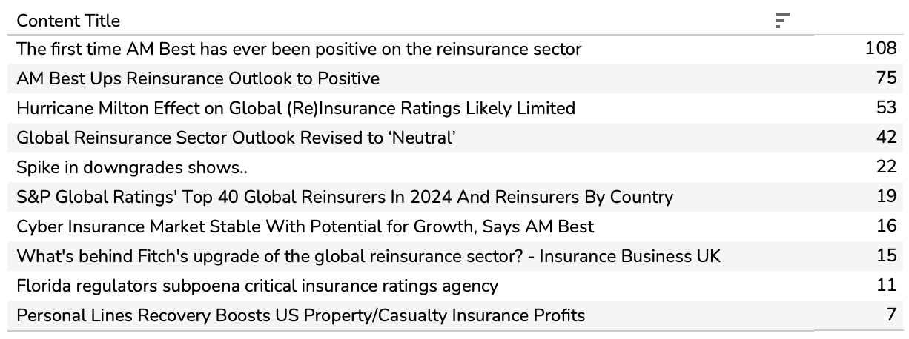
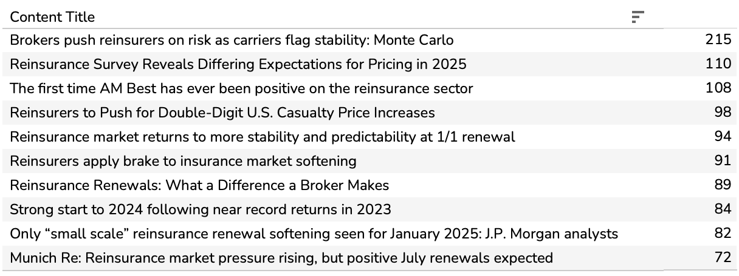
Topics reinsurance brokers read more of than insurance brokers |  |  |  |  |  | Reinsurers Show Greater Flexibility After A Second Year Of Strong Results | 2024-12-31 | 21 | opportuntity to plug clients (G Re etc.)
1 | Ratings | -82% |  |  |  | Reinsurance stalwart Julian Enoizi on the 'challenging dynamic' facing the sector | 2024-11-28 | 22
2 | Reinsurance Renewals | -79% |  |  |  | With excess capital in the system, property cat rates could trend down at 1/1: Morgan Stanley | 2024-11-22 | 23
3 | Emerging Markets | -71% |  |  |  | Global insurance rates fall 0.9% in 2024, first drop since 2017, report says | 2025-01-02 | 24
4 | Alternative Capital | -68% |  |  |  | Reinsurance Market Update | 2025-01-20 | 25
5 | Risk Modelling | -63% |  |  |  | Reinsurer Profits to Be Resilient in 2025 Despite Lower Renewal Prices | 2025-01-16 | 26
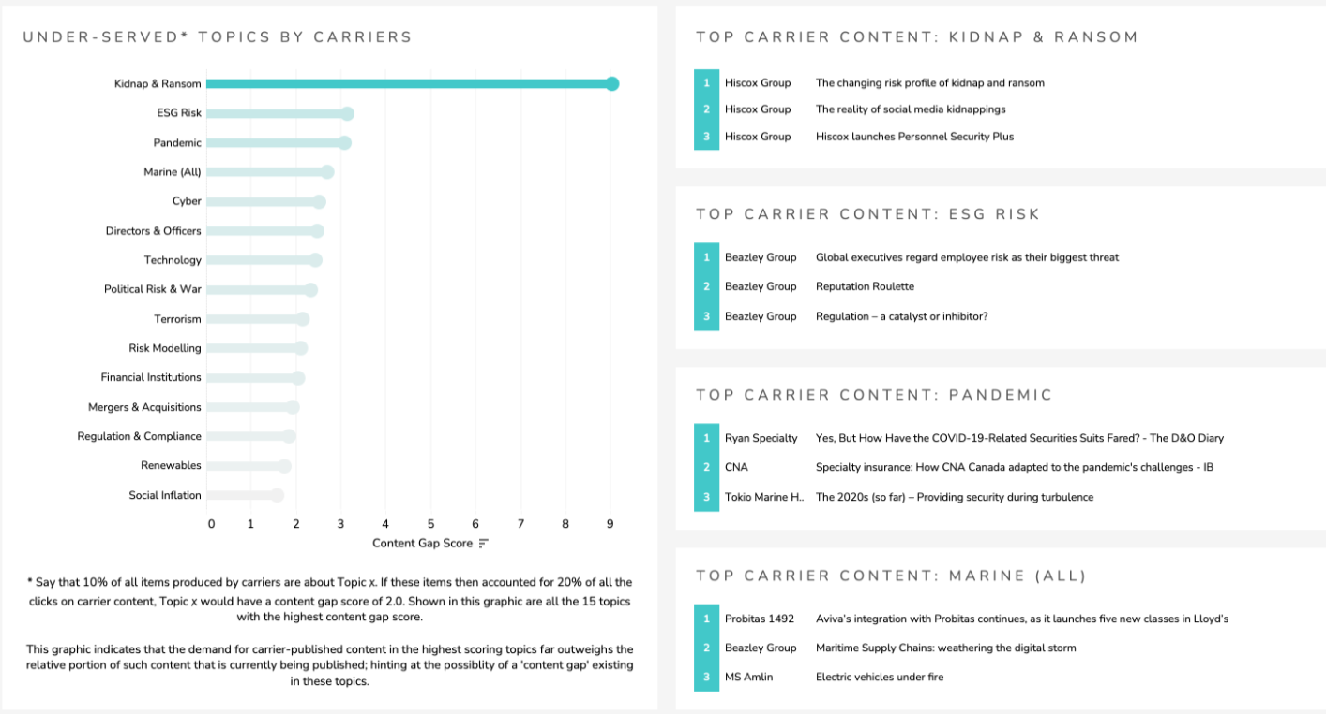
6 | Property - International | -49% |  |  |  | Specialty reinsurers widen PVT coverage as competition mounts at 1.1 | 2024-12-17 | 27
7 | Rates | -44% |  |  |  | Insurance Marketplace Realities 2025 – Political risk | 2024-11-11 | 28
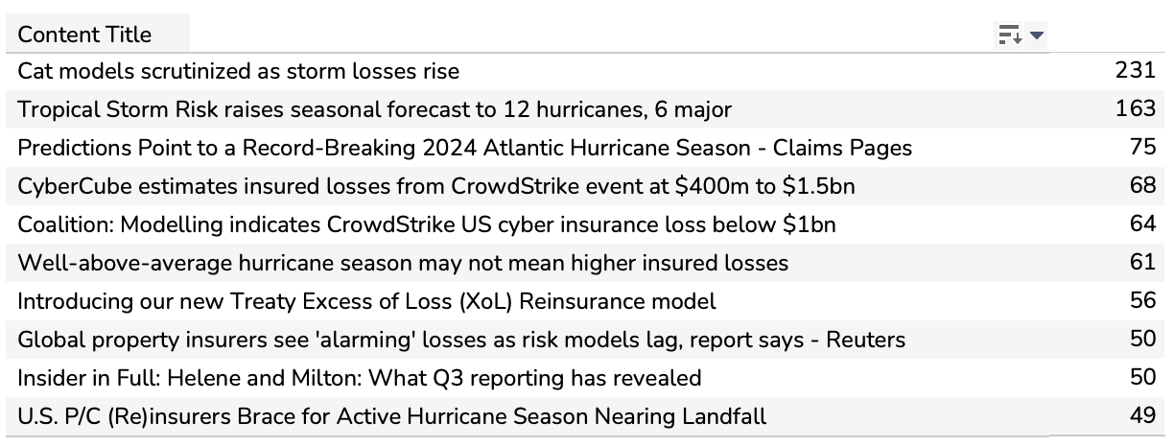
8 | Property - North America | -42% |  |  |  | Property cat rates to plateau at renewal, but US & Europe conversations expected: Munich Re CFO | 2024-11-07 | 29
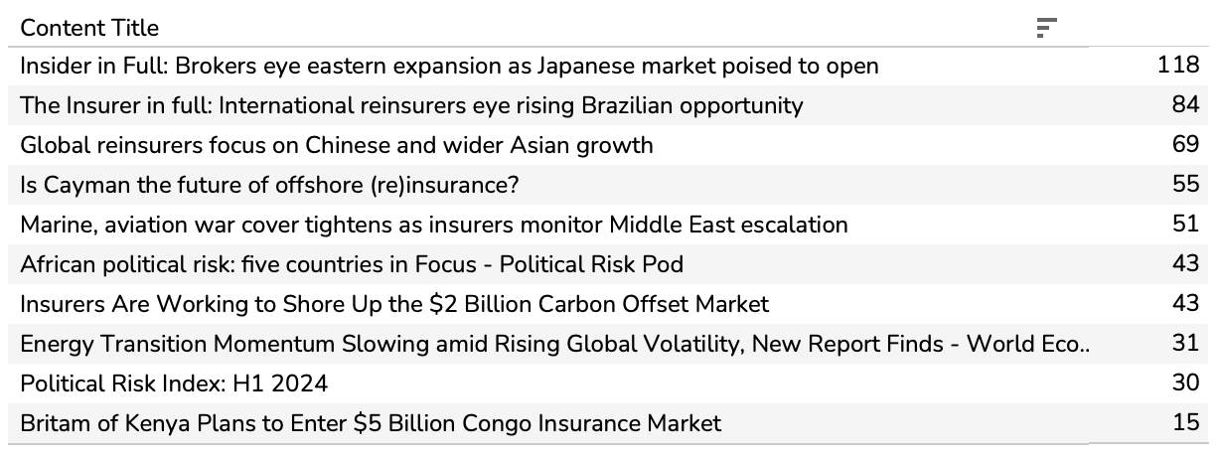
9 | Political Risk & War | -37% |  |  |  | GC's APAC CEO: Retentions and reinsurance pricing key focus among cedants | 2024-11-06 | 30
10 | Claims & Losses | -35%
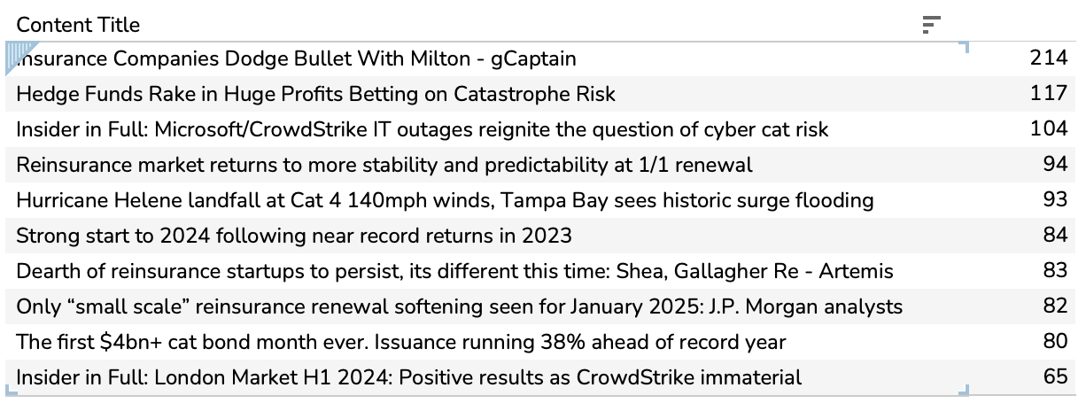
11 | AI In Insurance | -35%

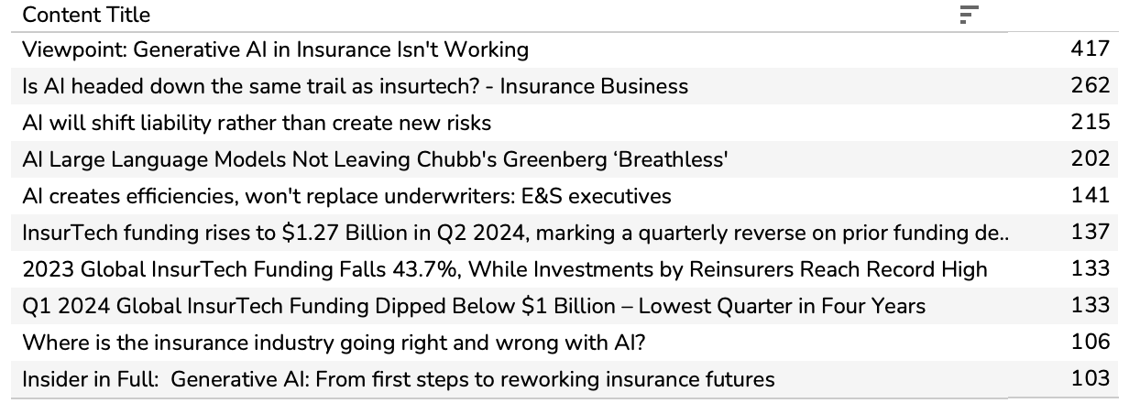
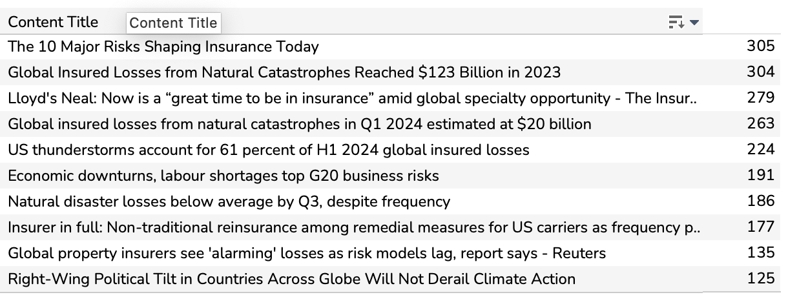
Topics insurance underwriters read more of than reinsurance underwriters
1 | Climate Risk | 77%
2 | AI In Insurance | 75%
3 | Ratings | 66%
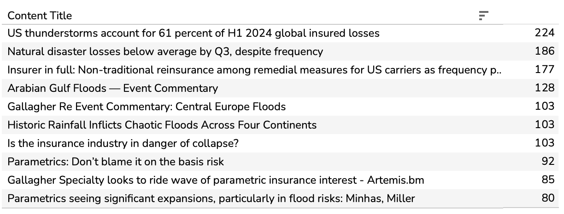
4 | Alternative Capital | 52%
5 | Parametrics | 45%
6 | Intellectual Property | 41%
7 | Diversity & Inclusion | 36%
8 | Insurtech | 30%
9 | Reinsurance Renewals | 30%
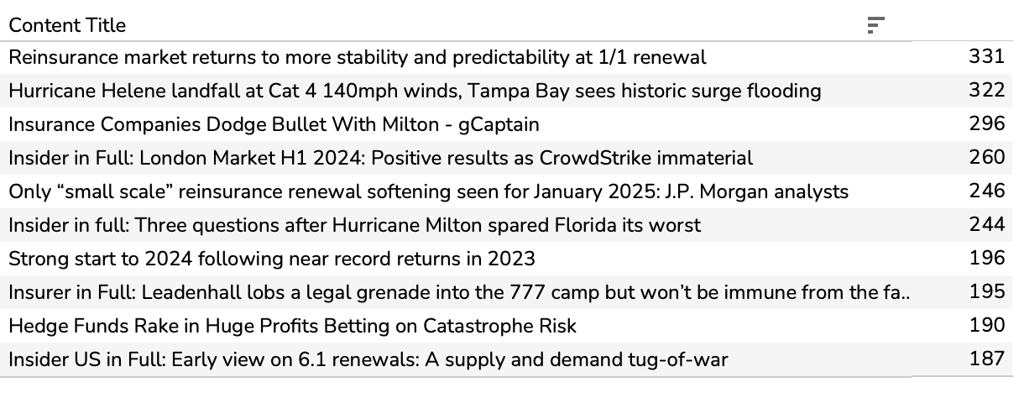
10 | Construction | 26%
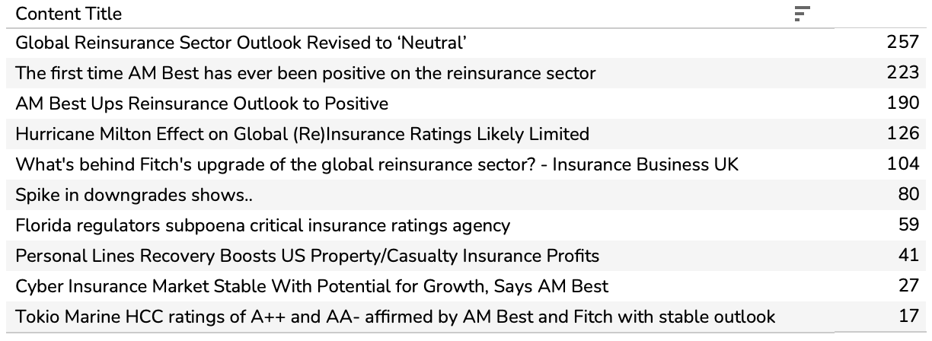
11 | Property - International | 26%

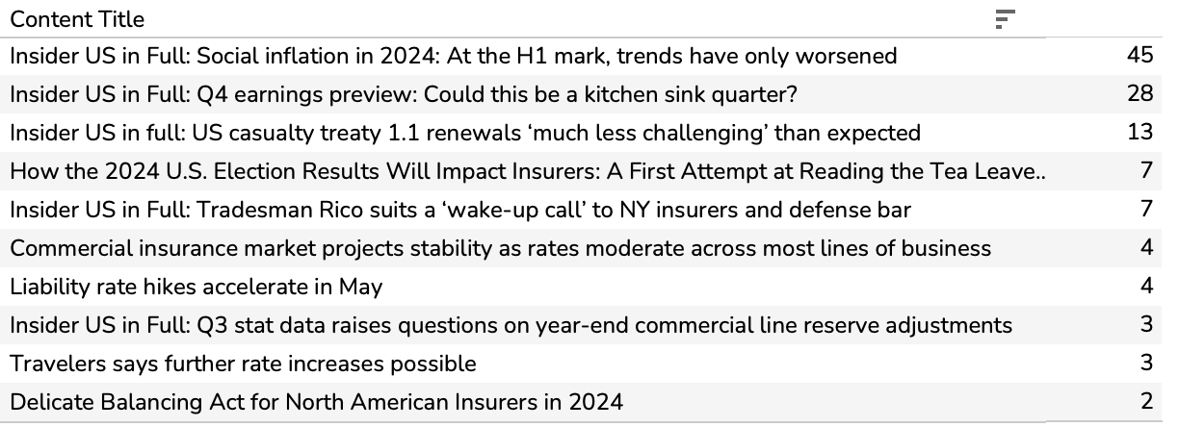
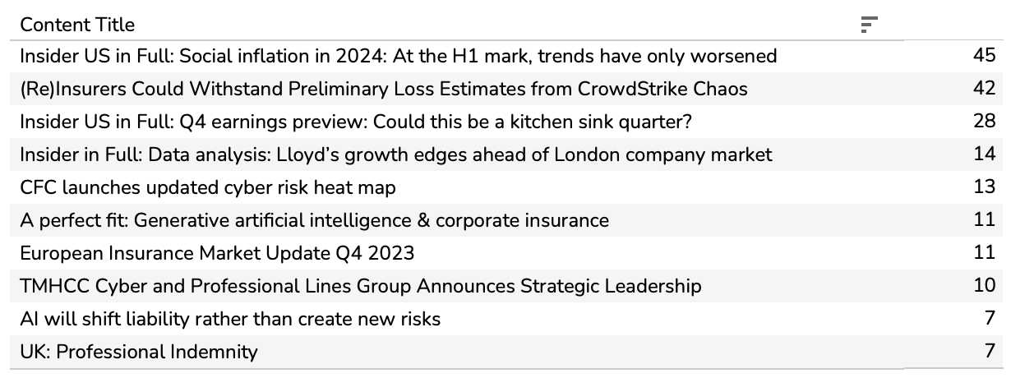
Topics reinsurance underwriters read more of than insurance underwriters
1 | Charity & Sponsorship | -56% |  | No charity & sponsorship
2 | Kidnap & Ransom | -50%
3 | Workers' Compensation | -40%
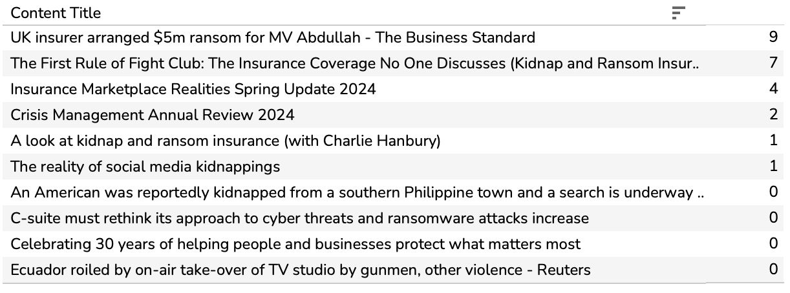
4 | Trade Credit | -39%
5 | P I (E & O) | -36%
6 | Directors & Officers | -34%
7 | Carbon Credits | -34%
8 | Energy (All) | -31%
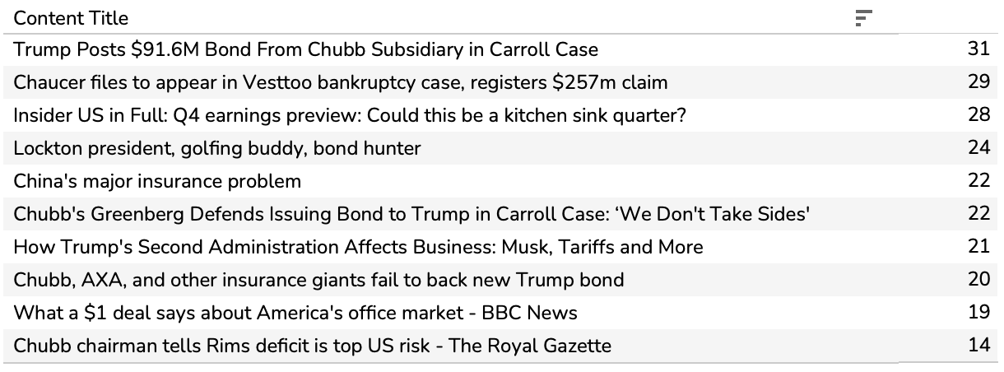
9 | Transaction Liability | -28%
10 | Engineering | -26%
11 | Aerospace | -25%

Marine Carg
Measure Names | Measure Values
Covid-19 | 814%
Law | 576%
P I (E & O) | 406%
A & H / Contingency | 347%
Alternative Capital | 331%
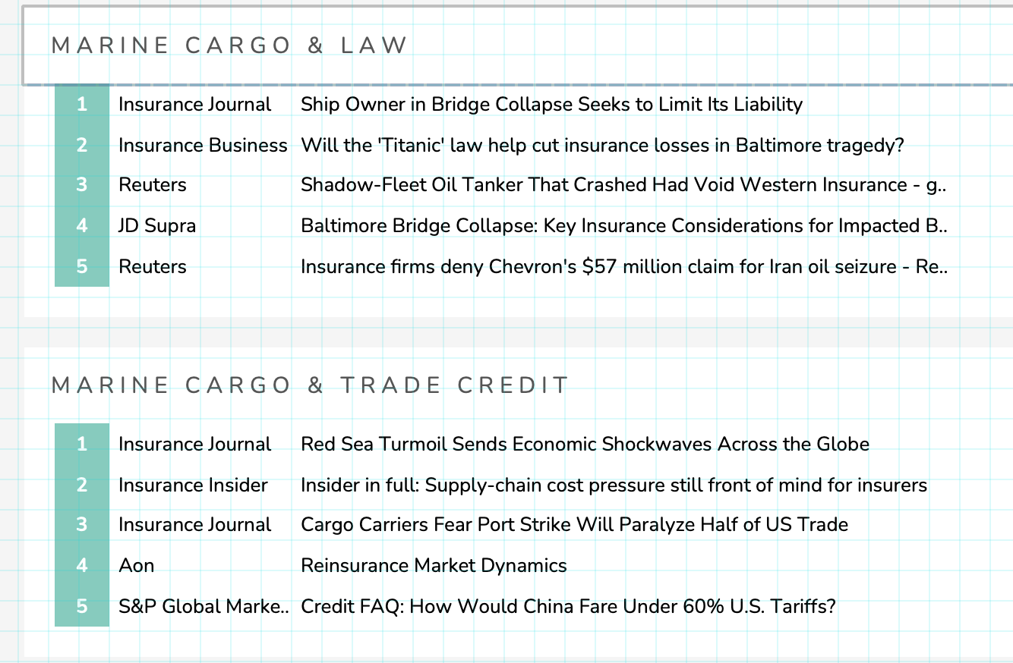
Property - North America | 305%
Renewables | 261%
Emerging Markets | 243%
Trade Credit | 203%
Claims & Losses | 202%
Mergers & Acquisitions | 176%
Directors & Officers | 175%
Motor (Commercial) | 174%
Financial Institutions | 156%
Topical Trends | 155%
Strategy | 150%
Insurtech | 146%
Construction | 135%
Rates | 122%
Aerospace | 121%
Casualty | 119%
Financial Results | 69%
Marine Hull | 61%
Marine Liability | 54%
Political Risk & War | 50%
Onshore Energy | 45%
Offshore Energy Traction | 40%
Launches / New Products | 35%
Cyber | 34%
Emerging Risks | 18%
Supply Chain / Business Interruption | 16%
Regulation & Compliance | 10%
Risk Management | 8%
Climate Risk | 2%
Private Client | 2%
Marine Cargo | 0%
Terrorism | -4%
Marketing & Comms | -8%
Technology | -13%
Environmental Liability Traction | -16%
Parametrics Traction | -21%
Property - International | -31%
Agriculture Traction | -42%
Market Moves | -43%
Property - UK | -53%
Mining Traction | -55%
Captives | -66%
Risk Modelling | -72%
MGAs | -76%
ESG | -77%
ESG Risk | -82%

